1. Title Page
[Grocery Basket Analysis]

Project Name: Instacart Grocery Basket Analysis
Date: 2023-09
Analyst Name: Olivia Misztal

Contents:
Population Flow
Consistency checks
Wrangling steps
Column derivations
Visualizations
Recommendations

Data Citation:
 | “The Instacart Online Grocery Shopping Dataset 2017”, Accessed from www.instacart.com/datasets/grocery-shopping-2017 via Kaggle on [date].
 | "costumer.csv" dataset and "prices" column in the products data set, were both fabricated for the purpose for the exercise of Career Foundry.

2. Population Flow
Title page

Population flow

Exclusion flag
Condition: max_order < 5
Obervations to be removed:
Final total count of order_products_all: : 32404859 rows

Orders_products_combined
Orders_products_merged
Orders_products_all

Total: 32.404.859 rows, 15 columns
Total: 32404859 rows, 35 columns
Total: 32404859 rows , 15 columns

1.) The grey boxes in the first row of the population flow represent the original data sets as they were when you downloaded them. In the Total fields you need to add the count of the rows when you imported the data set into Jupyter.
2.) The second row of boxes (coloured) represents the data sets after you manipulated them, e.g., removed missing values and duplicates. In the Total fields you need to add the count of the rows after conducting these operations. This offers a visual oveview of how the data flows throughout the data consistency checks.
3.) The third row, where also the arrows are coloured, represents the merges you performed between the datasets. In the Total fields you need to add the count of the rows in the merged datasets, so that you end up with the final dataset (in the red box). Keep in mind the final dataset should be without exclusions (based on the exclusion flag).

3. Consistency checks
 |  |  |  | Title page
Consistency checks

Dataset | Missing values | Missing values treatment | Duplicates
orders | 206,209 null values in 'days_since_prior_order' column | In this column, days_since_prior_order the code count 206209 missing values or 0. It is logical that there are zero days since the order was placed, because at this moment it can be hours or minutes. The column has criteria of days, so I'm not going to delete them, as my changes will appear every second, when more than 24 hours have passed since the time of ordering. At the same time, partly by cilumne orders_dow , we can conclude that some orders are over 24 hours old. To consider this task in its own way, you would need to write two python codes. One finding missing data in column days_since_prior_order at the same time as the number from 0 to 7 corresponds to today's day in the order_dow column. And the second code taking all other day from column order_dow and NaN in the column days_since_prior_order. The Python approximation is not sufficient to achieve this at the moment, so create a new dataframe only with rows with NaN. And decides to leave the missing data for the moment. In real life, I would go with a question or request for clarification to my client. | No full duplicates
products | 16 null values in 'product_name' column | Removed rows with null values in the 'product_name' column. | 5 full duplicate rows (removed)
orders_products_prior
customers | 11,259 missing values in the "First Name" column | Rename NaN in Unknown and creating a subset from rows with missing values. Faster completion and retrieval when data is obtained. | No full duplicates in the dataframe

4. Wrangling steps
 |  |  |  | Title page
Wrangling steps

Columns dropped | Columns renamed | Columns' type changed | Comment/Reason
'eval_set' |  |  | In orders dataframe, unnecessary column
 |  | ['order_number'].astype('uint8') | Reduction of data size, faster operation, lower memory consumption
 |  | ['order_dow'].astype('uint8') | Reduction of data size, faster operation, lower memory consumption
 |  | ['order_hour_of_day'].astype('uint8') | Reduction of data size, faster operation, lower memory consumption
 |  | ['reordered'].astype('uint8') | Reduction of data size, faster operation, lower memory consumption
 |  | ['department_id'].astype('uint8') | Reduction of data size, faster operation, lower memory consumption
 |  | ['product_id'].astype('uint32') | Reduction of data size, faster operation, lower memory consumption
 | 'First Name' : 'name' |  | In customers dataframe
 | 'Surnam' : 'surname' |  | In customers dataframe
 | Gender' : 'gender' |  | In customers dataframe
 | STATE' : 'state' |  | In customers dataframe Reduction of data size, faster operation, lower memory consumption
 | Age' : 'age' | .astype('uint8') | In customers dataframe
 | n_dependants' : 'dependants_number' | .astype('uint8') | In customers dataframe Reduction of data size, faster operation, lower memory consumption
 | 'order_dow' :'orders_day_of_week' |  | In orders dataframe, better understanding

5. Column derivations
 |  |  |  | Title page

Column derivations and aggregations

In this tab you should add tables below that the frequences of flags/label variables that you produced after deriving them. NB: don't do this for continuous variables, only for flags.
Dataset | New column | Column/s it was derived from | Conditions
df_ords_prods_merged | busiest_days' | order_dow' | busiest_days Regularly busy days 12916111 Busiest days 11864412 Least busy days 7624336 Least busy 3783802
df_ords_prods_merged | busiest_period_of_day | order_hour_of_day' | busiest_period_of_day Most orders 21118071 Average orders 9997651 Fewest orders 1289137
df_ords_prods_merged | price_range_loc' | prices' | price_range_loc Mid-range product 21860860 Low-range product 9900417 NaN 643582
ords_prods_merge | loyalty_flag' | max_order' | loyalty_flag Regular customer 15876776 Loyal customer 10284093 New customer 6243990
ords_prods_merge | loyalty_flag' | prices': ['mean', 'min', 'max'] | prices mean min max loyalty_flag Loyal customer 10.386336 1.0 99999.0 New customer 13.294670 1.0 99999.0 Regular customeer 12.495717 1.0 99999.0
ords_prods_merge | Spending_flag' | average_price' | Spending_flag Low spender 31770614 High spender 634245
ords_prods_merge | frequency_flag' | median_days_order' | Frequent customer 21559853 Regular customer 7208564 Non-frequent customer 3636442

ords_prods_cust | region | states | Northeast: ['Maine', 'New Hampshire', 'Vermont', 'Massachusetts', 'Rhode Island', 'Connecticut', 'New York', 'Pennsylvania', 'New Jersey'] Midwest: ['Wisconsin', 'Michigan', 'Illinois', 'Indiana', 'Ohio', 'North Dakota', 'South Dakota', 'Nebraska', 'Kansas', 'Minnesota', 'Iowa', 'Missouri'] South: ['Delaware', 'Maryland', 'District of Columbia', 'Virginia', 'West Virginia', 'North Carolina', 'South Carolina', 'Georgia', 'Florida', 'Kentucky', 'Tennessee', 'Mississippi', 'Alabama', 'Oklahoma', 'Texas', 'Arkansas', 'Louisiana'] Wes: ['Idaho', 'Montana', 'Wyoming', 'Nevada', 'Utah', 'Colorado', 'Arizona', 'New Mexico', 'Alaska', 'Washington', 'Oregon', 'California', 'Hawaii']
ords_prods_cust | age_groups' | age' | ['age'] >= 80, 'age_groups'] = '80+' ['age'] <= 79) & (ords_prods_cust['age'] >= 70), 'age_groups'] = '70-79' ['age'] <= 69) & (ords_prods_cust['age'] >= 60), 'age_groups'] = '60-69' ['age'] <= 59) & (ords_prods_cust['age'] >= 50), 'age_groups'] = '50-59' ['age'] <= 49) & (ords_prods_cust['age'] >= 40), 'age_groups'] = '40-49' ['age'] <= 39) & (ords_prods_cust['age'] >= 30), 'age_groups'] = '30-39' ['age'] <= 29) & (ords_prods_cust['age'] >= 20), 'age_groups'] = '20-29' t['age'] <= 19) & (ords_prods_cust['age'] >= 10), 'age_groups'] = '10-19'
ords_prods_cust | activity_flag' | max_order' | ['max_order'] < 5, 'activity_flag'] = 'low activity' ['max_order'] >= 5, 'activity_flag'] = 'high activity'
sample_ords_prods_cust_reg_copy | age_group' | age' | result_age = [] for age in sample_ords_prods_cust_reg_copy['age']: if age >16 and age <=39: result_age.append('young adults') elif age <=59: result_age.append('middle-adge adults') elif age >=60: result_age.append('old adults') else: result_age.append('N/A')
sample_ords_prods_cust_reg_copy | income_group' | 'income' | result_income = [] for income in sample_ords_prods_cust_reg_copy['income']: if pd.notna(income): if income > 1 and income <= 67009: result_income.append('low income') elif income <= 99430: result_income.append('middle income') elif income >= 99431: result_income.append('high income') else: result_income.append('N/A') high income 4515663 middle income 2775021 low income 2430414
subset_cust_prof_dep | dependants_status' | fam_status' , 'gender', 'dependants_number' | dependants_status married male with dependents 2292725 married female with dependents 2269425 married male without dependents 1146113 married female without dependents 1119878 single male without dependents 807560 single female without dependents 789898 divorced/widowed female without dependents 418631 divorced/widowed male without dependents 411551 male living with one parenst or sibling 81399 male living with parenst or siblings 78859 female living with one parenst or sibling 77627 female living with parenst or siblings 74755
subset_cust_prof_dep | order_hour_of_day_group' | order_hour_of_day' | # Iterate over the 'order_hour_of_day' column for hour in subset_cust_prof_dep['order_hour_of_day']: # Check the value of the hour if hour > 0 and hour <= 5: # If the hour is between 0 and 5, append 'night' to the list result_day_hour.append('night') elif hour > 6 and hour <= 11: # If the hour is between 6 and 11, append 'morning' to the list result_day_hour.append('morning') elif hour > 12 and hour <= 17: # If the hour is between 12 and 17, append 'afternoon' to the list result_day_hour.append('afternoon') elif hour > 18 and hour <= 23: # If the hour is between 18 and 23, append 'evening' to the list result_day_hour.append('evening') else: # If the hour is not in any of the above ranges, append 'N/A' to the list result_day_hour.append('N/A')
subset_cust_prof_dep | day' | orders_day_of_week' | ['orders_day_of_week'] == 0, 'day'] = 'Saturday' ['orders_day_of_week'] == 1, 'day'] = 'Sunday' ['orders_day_of_week'] == 2, 'day'] = 'Monday' ['orders_day_of_week'] == 3, 'day'] = 'Tuesday' ['orders_day_of_week'] == 4, 'day'] = 'Wednesday' ['orders_day_of_week'] == 5, 'day'] = 'Thursday' ['orders_day_of_week'] == 6, 'day'] = 'Friday'

6. Visualizations
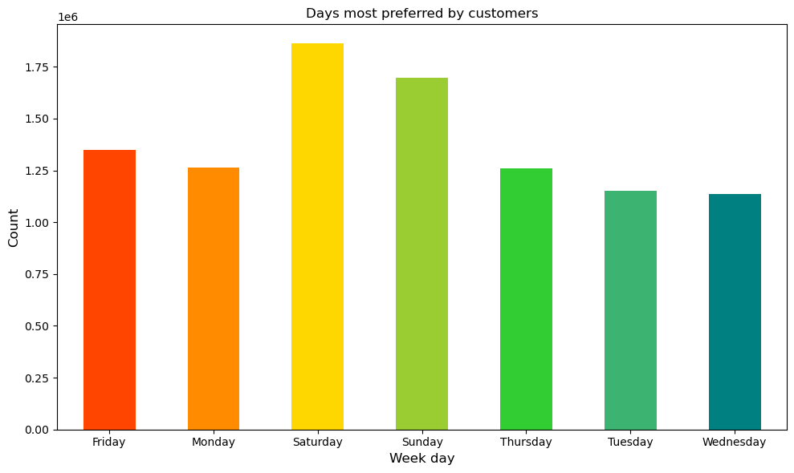
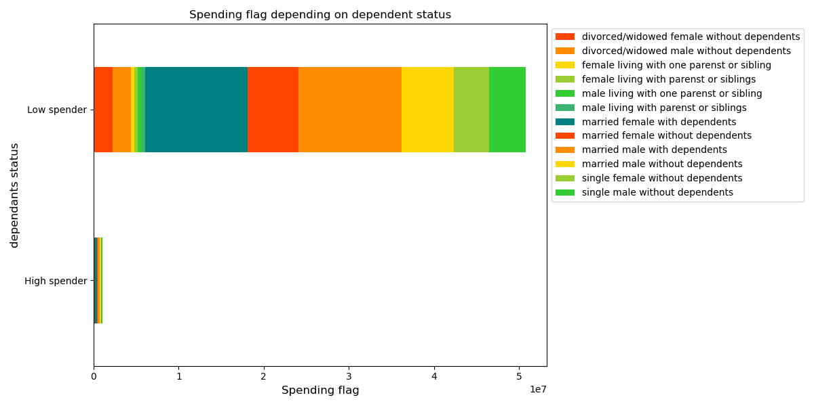

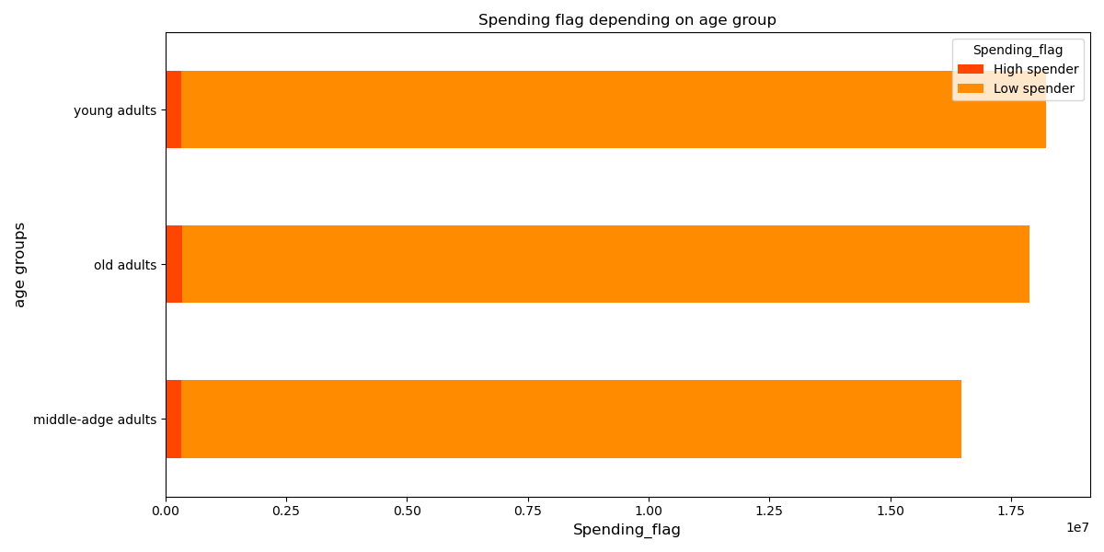
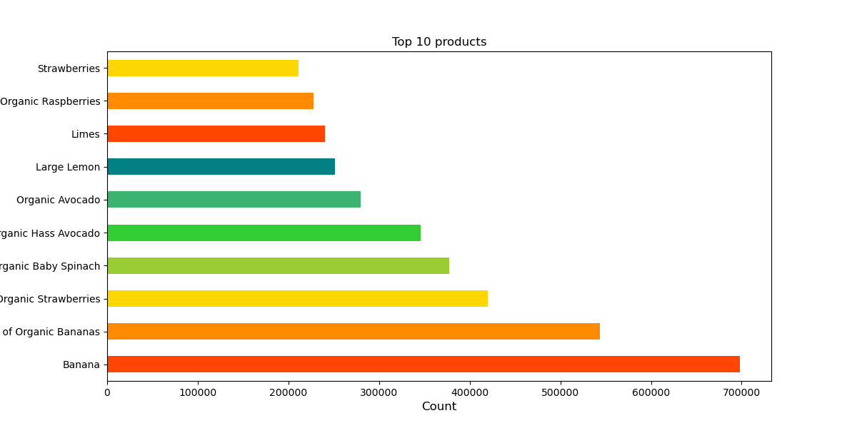
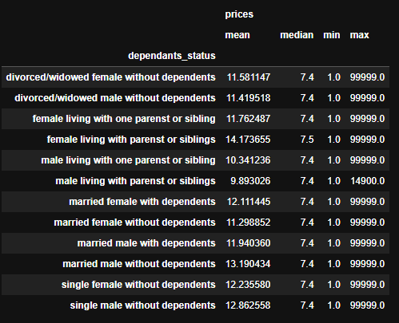
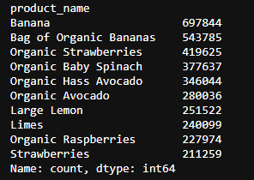
 |  |  | Title page

Visualisations

In this tab you should include all the visualtions from Exercises 4.9 and 4.10, alongside the questions from the project brief that they answer. Include any commentary on the relationship between different variables.

1. The sales team needs to know what the busiest days of the week and hours of the day are?
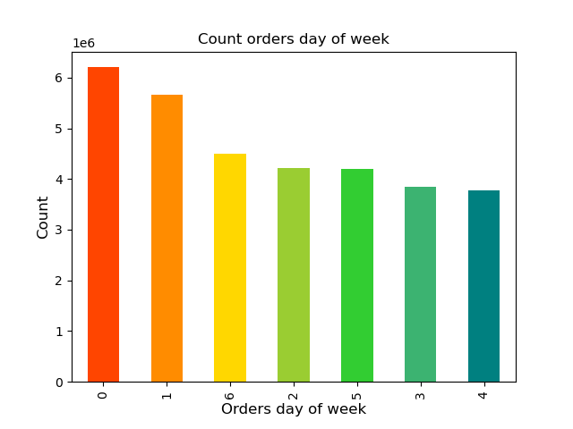

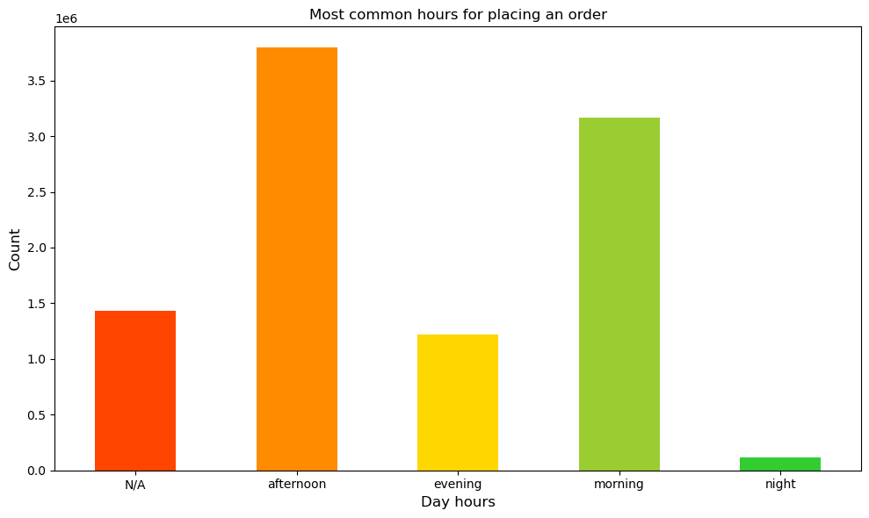

 |  | Legend 0 = Saturday 1 = Sunday 2 = Monday 3 = Tuesday 4 = Wednesday 5 = Thursday 6 = Friday |  | Legend morning = hour is between 6 and 11 afternoon = hour is between 12 and 17 evening = hour is between 18 and 23 night = hour is between 0 and 5 N/A = not applicable, not available

The busiest days of the week are Saturday and Sunday. The fewest orders were placed on Wednesday. During the day, most orders are placed at afternoon time of day, next in the morning. Least of all at night. N/A the abbreviation indicates a lack of information, as you can see, it is a large part of data that could have a huge impact on establishing appropriate time windows for the marketing department or for the employee coordination department or preventing system overload.

2. They also want to know whether there are particular times of the day when people spend the most money, as this might inform the type of products they advertise at these times.
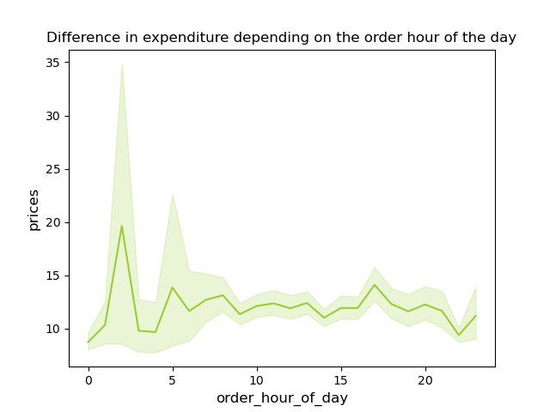

Customers willingly spend larger sums of money at night between 1 and 3 hours. This may involve fatigue, an immediate need for things on the same day, or a way to relax.
The difference in expenses is not approximately $3-5 between customers' overnight and daytime orders.

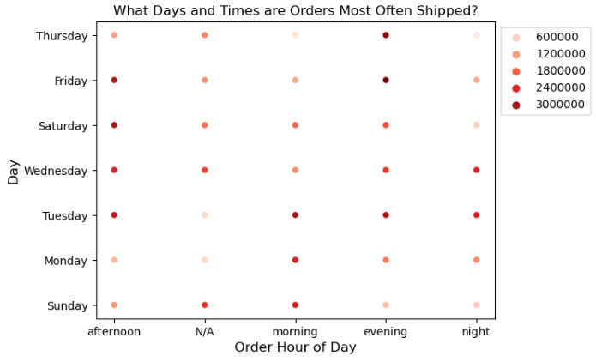

For better transparency, a schedule has been prepared combining days of the week and time of day along with the number of orders placed in this time period.

3. Instacart has a lot of products with different price tags. Marketing and sales want to use simpler price range groupings to help direct their efforts.
Prices descriptive statistisc
min | 1.0
mean | 7.8
max | 25.0


It is visible that most products are in the cost range of up to $15.
Above $15, the scale drops extremely low and remains at the maximum price of $25.

4. Are there certain types of products that are more popular than others? The marketing and sales teams want to know which departments have the highest frequency of product orders.
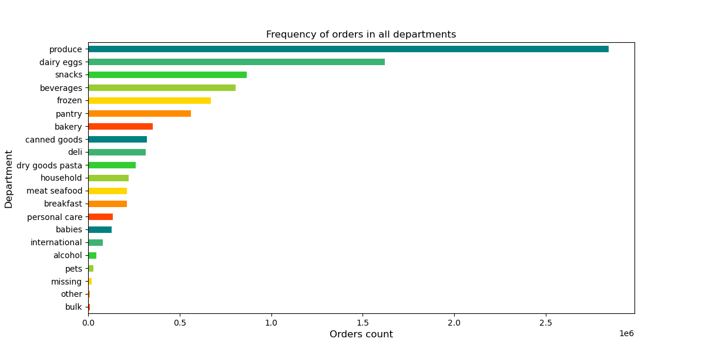

The top 5 most popular departments are: produce, dairy eggs, snacks, beverages and frozen products.
The first category produce, goes extremely beyond the norm, enjoying almost twice the number of orders, while the second, dairy eggs and third categories, snacks are triple the number of products in third place.
Products from this category are the least popular: bulk, other, missing, pets and alcohol.

Additionally, graphics were created showing data helpful in preparing an appropriate campaign tailored to the client based on age, family status and gender.
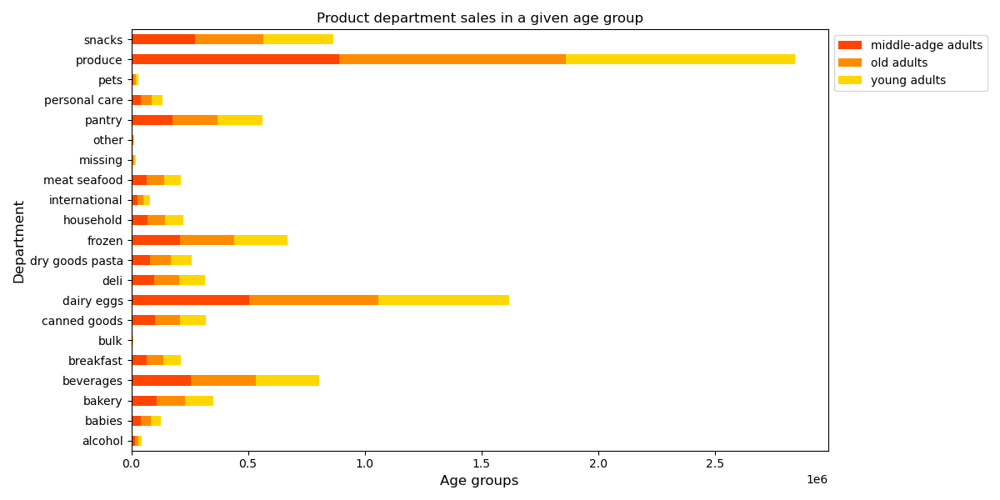
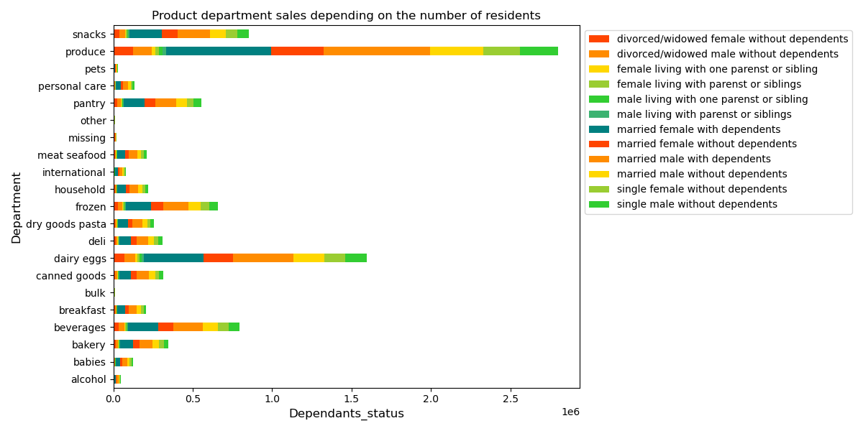

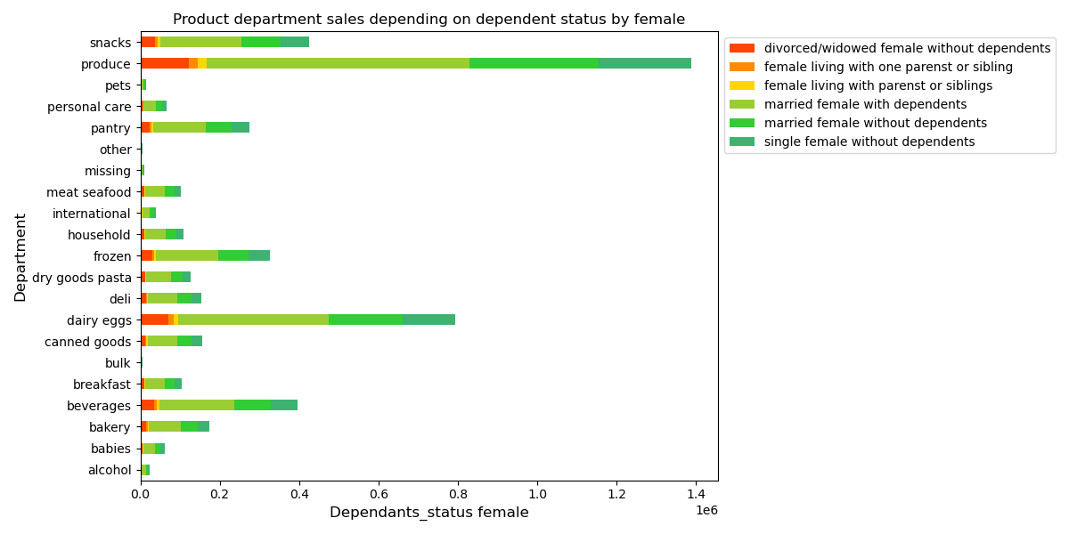
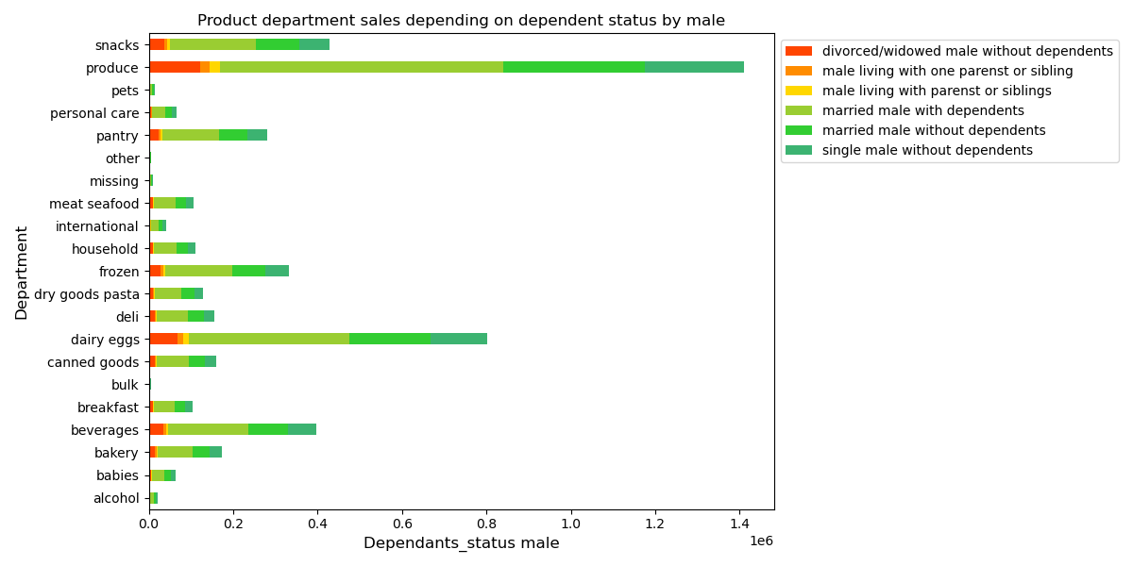

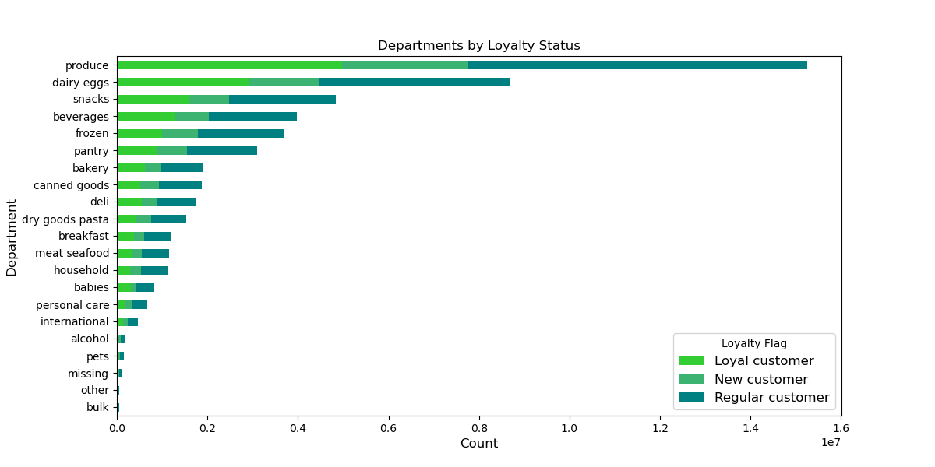
5. The marketing and sales teams are particularly interested in the different types of customers in their system and how their ordering behaviors differ.
5.a What’s the distribution among users in regards to their brand loyalty?
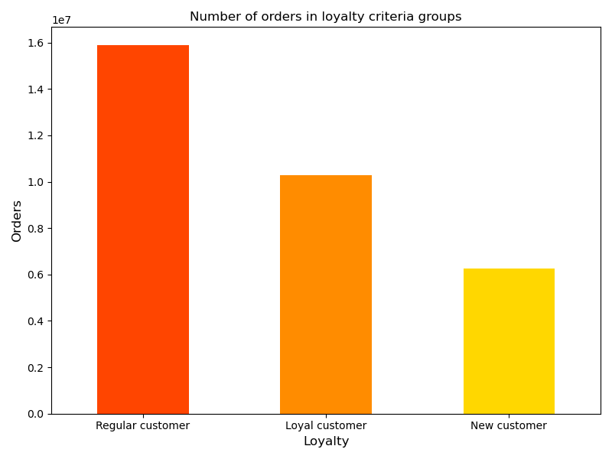

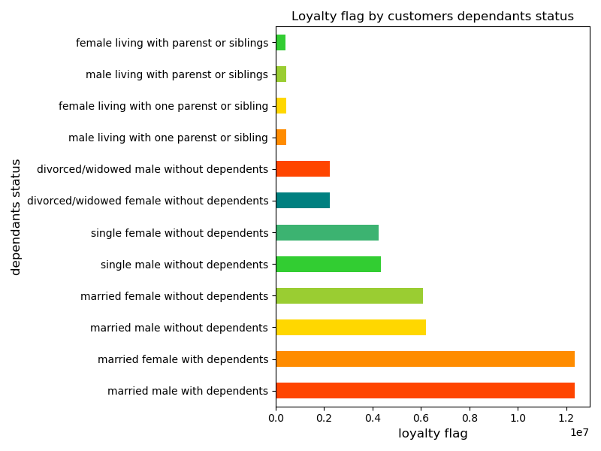
Most Instacart users are regular customers, then the loyal customer and at least new customers.
A regular customer places the most orders and makes the most profit.

5.b Are there differences in ordering habits based on a customer’s loyalty status?
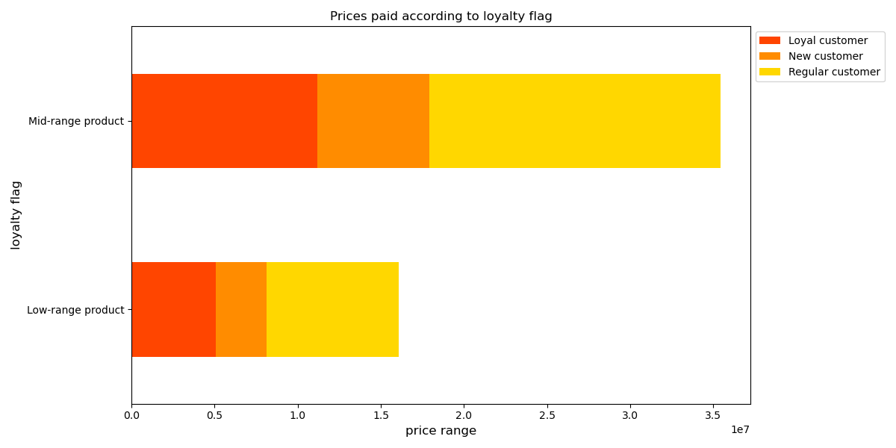

5.c Are there differences in ordering habits based on a customer’s region?
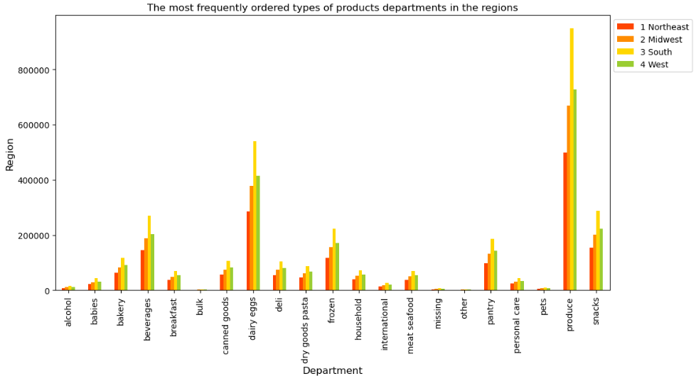
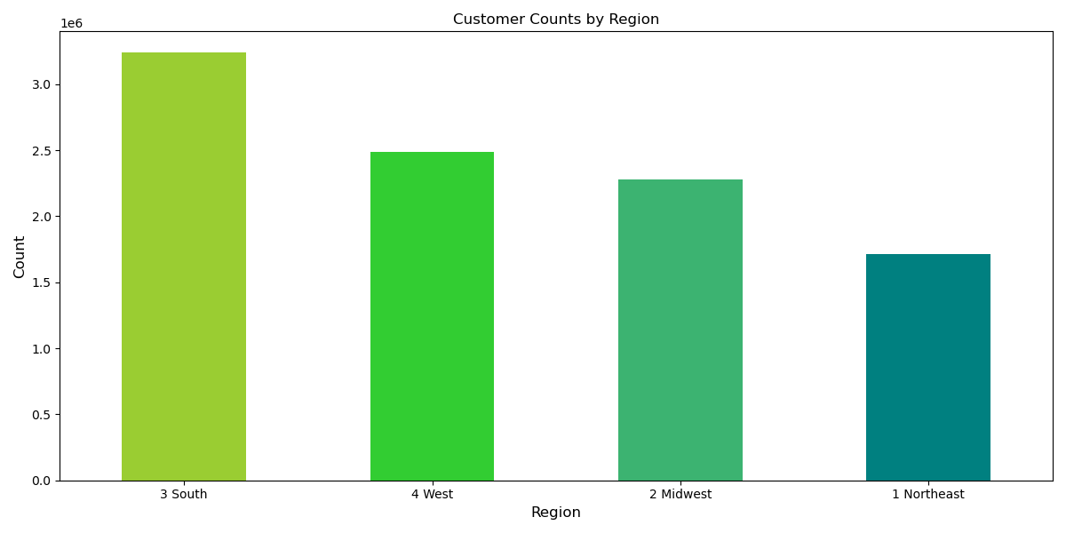

The South experiences the largest placed orders and the Northwest region the smallest.

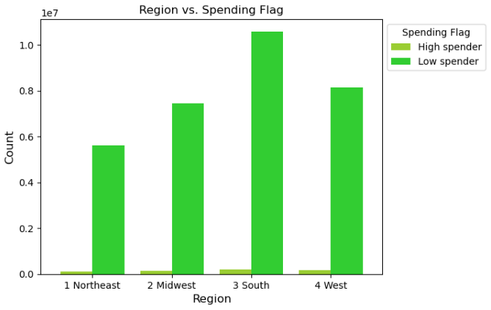
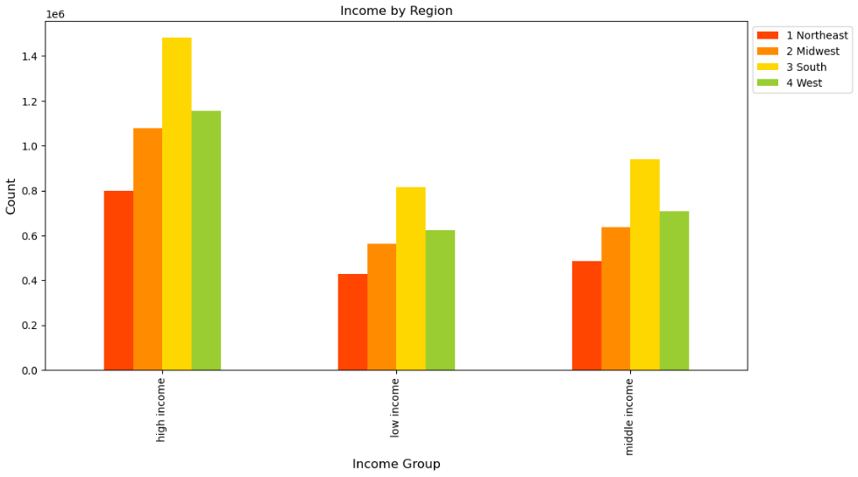

Calculating the results as a percentage, the number of high spending flags is a small percentage (exactly 1.96 % of the whole database) compared to customers matched in the low spending flag.
On the chart we can see the graphical difference between the high and low spending flags.
There are differences in spending habits in different regions of the US. The largest percentage is located in the South region of the US, there are also the most customers in the high spending flag category.
The Northeast region has the lowest values in both flags.

5.d Is there a connection between age and family status in terms of ordering habits?

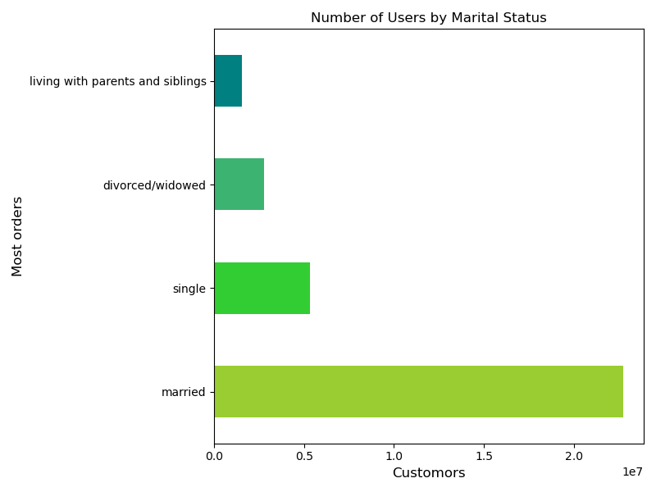

In all the age groups the married customers has the highest frequency of orders.

5.e What different classifications does the demographic information suggest? Age? Income? Certain types of goods? Family status?
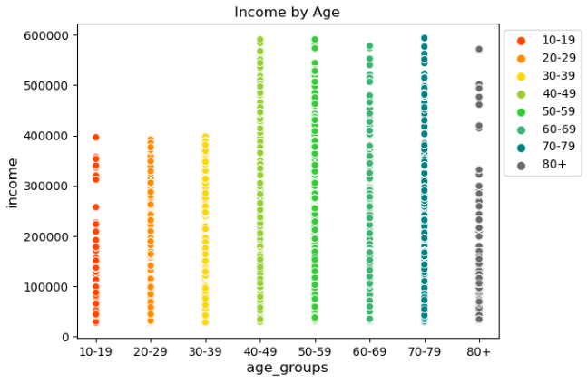
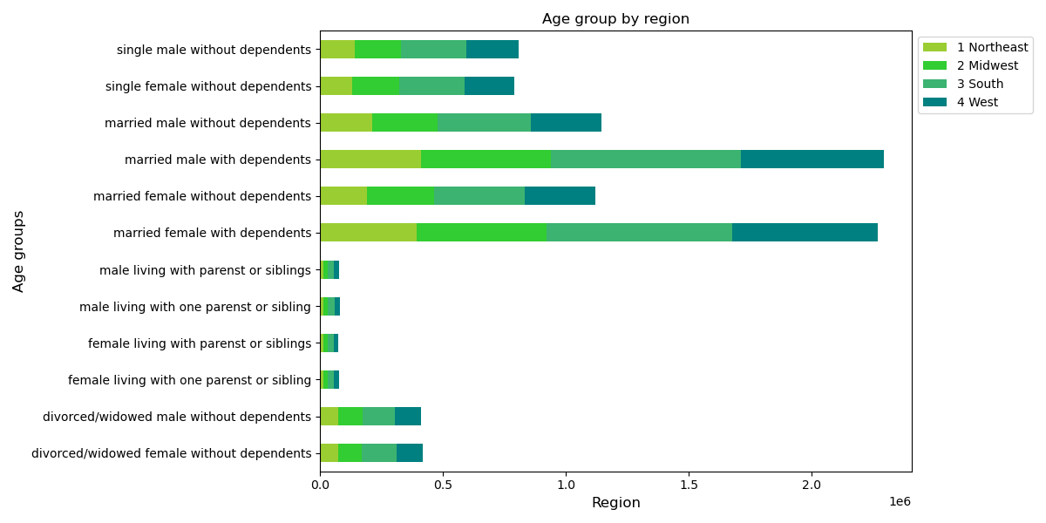
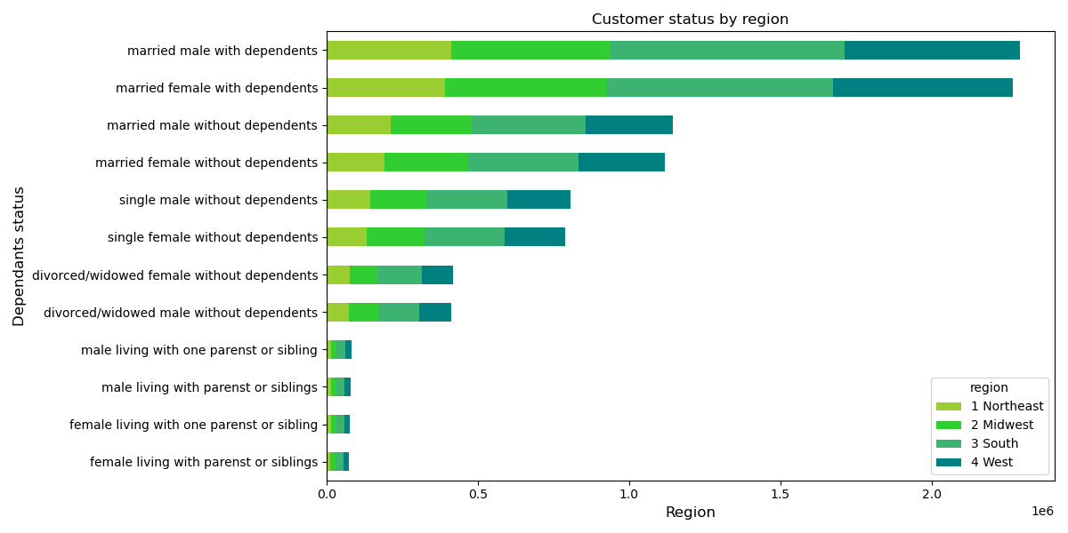
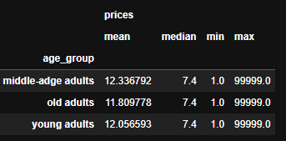
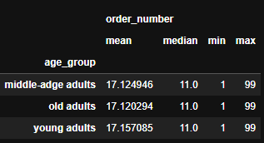

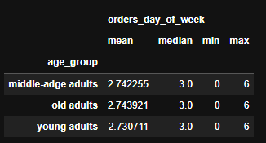
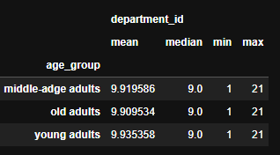

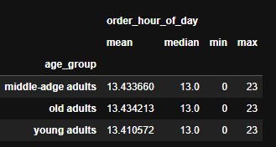

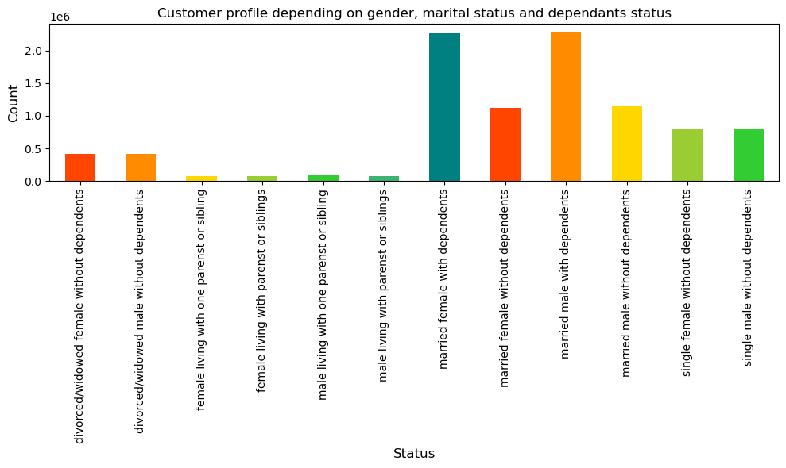

5.f What differences can you find in ordering habits of different customer profiles?

7. Recommendations
 |  |  | Title page

Recommendations

In this tab you should include any recommendations you would made to Instcart in terms of their marketing strategy based on the questions posed in the brief. Every key question has been covered in the Tasks of the Exercises - here you need to add an item - a visualisation or table/crosstable that is showing the answer in the data, acompanied by a comment from you. Please, list the questions below and add the answer underneath.

Question | Answer | Recommendation
The sales team needs to know what the busiest days of the week and hours of the day are (i.e., the days and times with the most orders) in order to schedule ads at times when there are fewer orders. | The busiest days of the week are Saturday& Sunday. The least busy days of the week are Tuesday & Wednesday, followed by Monday & Thursday and then Friday. Afternoon = hour is between 12 and 17 are the most order pleaced. The next best time of the day for customers visit the website and order something is in the morning. | Creating advertisements, actions or negatives on days liek Friday, Thursday and Monday when the number of customers is low and at times of the day, evening with low orders. Checking whether it is possible to complete values N/A in the day time group.
They also want to know whether there are particular times of the day when people spend the most money, as this might inform the type of products they advertise at these times. | Customers willingly spend larger sums of money at night between 1 and 3 hours. This may involve fatigue, an immediate need for things on the same day, or a way to relax. The difference in expenses is not approximately $3-5 between customers' overnight and daytime orders. | Create campaigns for specific products, look at visualizations to encourage customers to buy. An additional stock option encouraging you to spend more money would be a function of reaching a certain amount in the basket, delivery of products within e.g. 90 minutes of exchange, free delivery or free products.
Instacart has a lot of products with different price tags. Marketing and sales want to use simpler price range groupings to help direct their efforts. | For products priced >$15, there is a huge drop in frequency, with more expensive products barely showing up on the chart. Most products are in the $3 to $15 range. Low to mid-range priced products will enjoy the greatest popularity and the best product selection. | In this case, it is enough to divide into product groups up to USD 15 and over USD 15. For better transparency and ease For clients, I would recommend creating 5 groups, up to USD 5, USD 10, USD 15, USD 20, USD 25. This will provide more options for creating also offers in a given price range.
Are there certain types of products that are more popular than others? The marketing and sales teams want to know which departments have the highest frequency of product orders | The top 5 most popular departments are: produce, dairy eggs, snacks, beverages and frozen products. The first category produce, goes extremely beyond the norm, enjoying almost twice the number of orders, while the second, dairy eggs and third categories, snacks are triple the number of products in third place. Products from this category are the least popular: bulk, other, missing, pets and alcohol. For improvement, a list of the 10 best-selling products has been created. The graphics also show which age groups prefer which types of products, as well as the division between women and men regarding preferences. | The most appropriate solution will be to create and send ads, promotions and recommendations to existing Instacart customers, relevant to the 5 most popular departments: grocery, dairy eggs, snacks, drinks and frozen foods, based on their past orders.
What’s the distribution among users in regards to their brand loyalty (i.e., how often do they return to Instacart)? | Most Instacart users are regular customers. Loyal customers are the next in frequency. The least frequent loyalty group are new customers. The second graphic compares loyalty flags with department groups. | Proposals in this area, creating a points system for loyal customers. When you reach a certain number of points, you can receive gifts such as a special discount or a coupon card with values ​​e.g. of 5, 10 and 15 dollars. Another solution to turn a regular customer into a loyal customer are special offers only for loyal customers. To gain new customers, you can create a promotion, the first delivery is free, or a 15% discount on the first order.
Are there differences in ordering habits based on a customer’s loyalty status? | Products in the mid-price range are most often purchased, so this range will also be the most advantageous for creating offers. Most customers who qualify as regular, loyal customers are married men and women. The lowest potential has both gender groups living with one person, such as one parent or one sibling, as well as people living without anyone. | Creating special packages for people with limited needs, such as a package consisting of all products to prepare a dish for one person. Offers for students and pupils, giving discounts or promotional codes when inviting people to the customers program.
Are there differences in ordering habits based on a customer’s region? | The South region has the highest frequency of orders, followed by the West and Midwest regions. The Northeast region has the lowest frequency of customer orders. | To improve sales in the regions, it is worth considering introducing local products in each region. Thanks to this, the list of products and departments will be tailored to the needs of customers.
Is there a connection between age and family status in terms of ordering habits? | In all the age groups the married customers has the highest frequency of orders. | As I mentioned earlier, offers for students, such as food packages for one dish.
What different classifications does the demographic information suggest? Age? Income? Certain types of goods? Family status? | 1. The age group from 40 years of age has higher menstrual periods. 2. Age groups in relation to the region and dependents do not have great fluctuations, in fact they are stable and even. 3. The age division into three groups of young, middle and older is equal depending on the specific product group, which means that, for example, in all age groups, snaks enjoy more or less the same popularity | The recommendations mentioned above.
What differences can you find in ordering habits of different customer profiles? Consider the price of orders, the frequency of orders, the products customers are ordering, and anything else you can think of. | 1. Most often, married women and men with dependents fill the largest part of the low spender. Overall, there are more customers in the low spender group than in the high spender group. 2. Thanks to the day based orders and dependents statistics chart, we are able to observe preferences as well as minimal differences. For example, on Saturday more divorced/patterned men living alone order, while on Sunday the scale favored more divorced/patterned women living alone. 3. Speding flags depending on the age group are at a similar level, and the differences are not big, but the most people are in the young adult group, then the old adult group and finally we have middle-aged adults. 4. In the dependants_status and prices table, only one group is noticeable, which has a different median than all other groups, it is a woman living with siblings or parents 7.5 while the rest have 7.4. | The recommendations mentioned above.

